Lab 3
...
 |  |  |  |  | Altman's Z | Bins | Requirement 1
 |  |  |  |  | 33.010901795 |  | x3 = F2/E2 | x3 = ebit /Total Asset
 |  |  |  |  | 38.899207266 |  | x4 = L2/H2 | x4 = Market Value of Equity / Total Liabilities
 |  |  |  |  | 37.310156583 |  | x5 = K2/E2 | x5 = sales / total Asset
 |  |  |  |  | 6.6777110428
 |  |  |  |  | 8.4989897603
 |  |  |  |  | 9.9780589524
 |  |  |  |  | 10.507033844 |  | Requirement 2
 |  |  |  |  | 15.134597107 |  | Altman's Z = Z = (1.2*X1) + (1.4*X2) + (3.3*X3) + (0.6*X4)+ (X5)
 |  |  |  |  | 14.183165473
 |  |  |  |  | 12.30203833
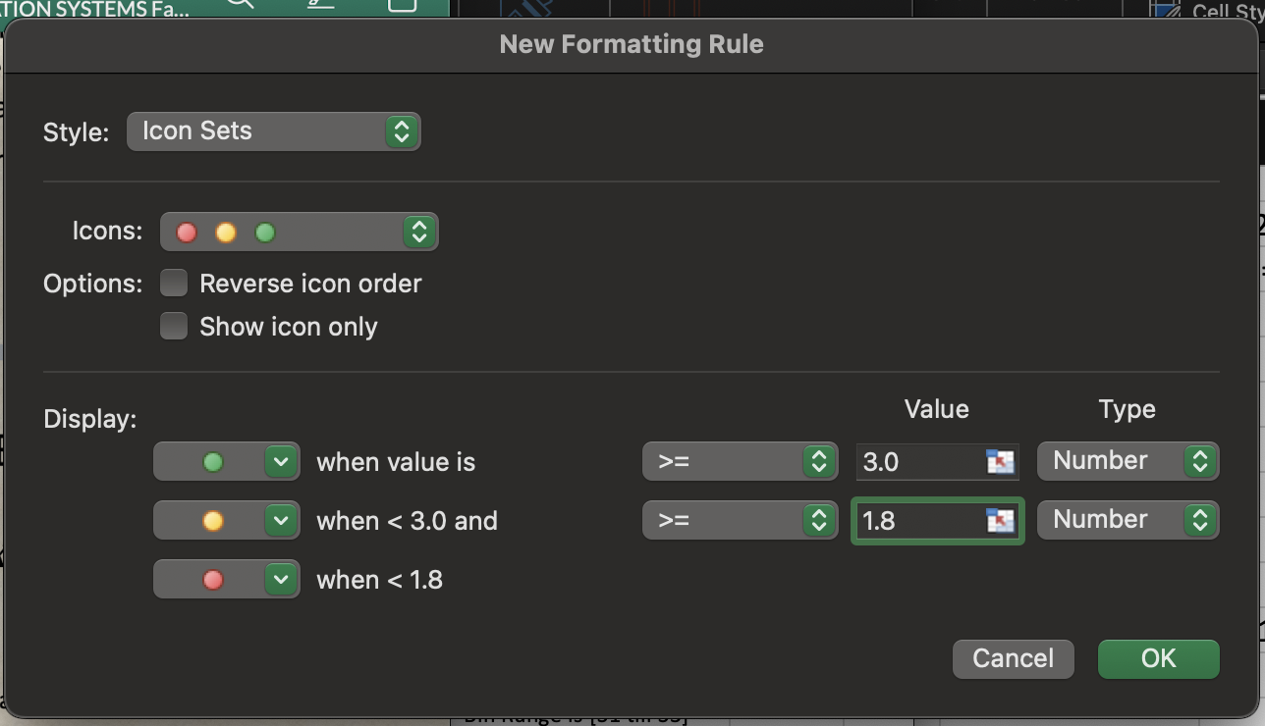
 |  |  |  |  | 9.9264099425
 |  |  |  |  | 8.9137545509
 |  |  |  |  | 2.4442618225 |  | Requirement 3
 |  |  |  |  | 3.926003335 |  | Click on column R and go to conditional formatting -> Icon Sets->
 |  |  |  |  | 4.3768221627 |  | more rules -> select the range equalities and then set the colors
 |  |  |  |  | 6.4431711253 |  | (remember to set the equlaity values to NUMBER)
 |  |  |  |  | 3.6321871591
 |  |  |  |  | 3.9541411214 |  | Now insert a histogram -> Tools in Header Bar -> Data Analysis ->
 |  |  |  |  | 4.421673514 |  | Histogram -> Input Range is [column R] -> Bin Range is [S1 till S3]
 |  |  |  |  | 4.7521856603
 |  |  |  |  | 5.6245436056
 |  |  |  |  | 6.0635776011
 |  |  |  |  | 6.6892169257
 |  |  |  |  | 6.8609098957
0.08357771261 | 0.80649816134 | 0.3133640553 | 4.1751414594 | 2.2016245403 | 6.9702014795
0.061510476319 | 0.88412046082 | 0.33351299153 | 5.0952 | 2.2660288801 | 7.7353229689
0.052096577092 | 0.22294984247 | 0.039292306899 | 0.5852312127 | 0.97996289148 | 1.8354119038
-0.0049766340421 | 0.24751173056 | 0.055758742242 | 1.1155395766 | 1.0667276512 | 2.2605997085
-0.0031240885749 | 0.30500879155 | 0.066541652058 | 1.4668734816 | 1.0882015754 | 2.611176518
-0.0063323727707 | 0.34070391415 | 0.078272631978 | 1.4998953443 | 1.1243641533 | 2.7519876779
0.020006075443 | 0.36687881862 | 0.067192079264 | 1.846661572 | 1.0683035527 | 2.9356719941
0.06283095723 | 0.38299389002 | 0.07016293279 | 2.6271331477 | 1.132892057 | 3.5522982186
0.080716536915 | 0.37805008567 | 0.065788159225 | 2.3902770346 | 1.1290023799 | 3.4063994904
0.07674845836 | 0.37456161723 | 0.068908659437 | 2.2409744223 | 1.0770579863 | 3.26552563
 | Altman's Z
CALLOWAY'S NURSERY INC | 2.5125689686
FASTENAL CO | 31.207703788
FASTENAL CO | 33.010901795
FASTENAL CO | 38.899207266
FASTENAL CO | 37.310156583
TRACTOR SUPPLY CO | 6.6777110428
TRACTOR SUPPLY CO | 8.4989897603
TRACTOR SUPPLY CO | 9.9780589524
TRACTOR SUPPLY CO | 10.507033844
TRACTOR SUPPLY CO | 15.134597107
TRACTOR SUPPLY CO | 14.183165473
TRACTOR SUPPLY CO | 12.30203833
TRACTOR SUPPLY CO | 9.9264099425
TRACTOR SUPPLY CO | 8.9137545509
BMC STOCK HOLDINGS INC | 2.4442618225
BMC STOCK HOLDINGS INC | 3.926003335
BMC STOCK HOLDINGS INC | 4.3768221627
FLOOR & DECOR HLDGS | 6.4431711253
HOME DEPOT INC | 3.6321871591
HOME DEPOT INC | 3.9541411214
HOME DEPOT INC | 4.421673514
HOME DEPOT INC | 4.7521856603
HOME DEPOT INC | 5.6245436056
HOME DEPOT INC | 6.0635776011
HOME DEPOT INC | 6.6892169257
HOME DEPOT INC | 6.8609098957
HOME DEPOT INC | 6.9702014795
HOME DEPOT INC | 7.7353229689
KINGFISHER PLC | 1.8354119038
KINGFISHER PLC | 2.2605997085
KINGFISHER PLC | 2.611176518
KINGFISHER PLC | 2.7519876779
KINGFISHER PLC | 2.9356719941
KINGFISHER PLC | 3.5522982186
KINGFISHER PLC | 3.4063994904
KINGFISHER PLC | 3.26552563
KINGFISHER PLC | 3.3437236427
KINGFISHER PLC | 3.1172556061
LOWE'S COMPANIES INC | 3.9309918198
LOWE'S COMPANIES INC | 4.0752165756
LOWE'S COMPANIES INC | 3.9296361859
LOWE'S COMPANIES INC | 3.6695131681
LOWE'S COMPANIES INC | 3.8091913987
LOWE'S COMPANIES INC | 4.0538873413
LOWE'S COMPANIES INC | 4.5212640031
LOWE'S COMPANIES INC | 4.5533437953
LOWE'S COMPANIES INC | 4.0577869838
LOWE'S COMPANIES INC | 4.3693765192
LUMBER LIQUIDATORS HLDGS INC | 12.055614057
LUMBER LIQUIDATORS HLDGS INC | 10.972590428
...
0.080328346339 | 0.41248910662 | 0.072022003643 | 2.2253850019 | 1.0969412647 | 3.3437236427
0.045617087078 | 0.40340195226 | 0.064076543926 | 1.9331438672 | 1.1264134532 | 3.1172556061
0.037600195802 | 0.52141589671 | 0.11607416019 | 2.162148862 | 1.4755552836 | 3.9309918198
0.072019391001 | 0.55549159218 | 0.09428874413 | 2.448766504 | 1.4306923193 | 4.0752165756
0.084512893558 | 0.51704798362 | 0.10564111695 | 2.1786309104 | 1.4485593044 | 3.9296361859
0.064990017581 | 0.47373282875 | 0.097648916833 | 1.8499107248 | 1.4961113263 | 3.6695131681
0.063552317394 | 0.40641645748 | 0.10898181596 | 2.0961879951 | 1.5465927876 | 3.8091913987
0.04338262251 | 0.34638885494 | 0.1267566907 | 2.4443938886 | 1.6319503849 | 4.0538873413
0.022999340183 | 0.2981116662 | 0.15056398655 | 3.0215471888 | 1.7665189933 | 4.5212640031
0.0022068700825 | 0.23025011194 | 0.17594191774 | 2.9305607318 | 1.8894006269 | 4.5533437953
0.00075563822367 | 0.17440711462 | 0.18245756801 | 2.2016844212 | 1.8895896303 | 4.0577869838
0.019155025361 | 0.1540336063 | 0.18576974299 | 2.6222108913 | 1.9443767533 | 4.3693765192
0.60277831747 | 0.26073926559 | 0.21180784923 | 12.705340668 | 2.6450748009 | 12.055614057
0.6030707004 | 0.32996409262 | 0.17608238062 | 11.076345391 | 2.5600767675 | 10.972590428
0.56722310025 | 0.35953047949 | 0.14596376512 | 6.1755797919 | 2.3116084571 | 7.6826471487
0.538644221 | 0.4414097246 | 0.22552945274 | 12.74051362 | 2.3412706866 | 11.994172732
0.57083427422 | 0.53566564779 | 0.29337762682 | 23.583489978 | 2.3285276295 | 18.881700821
0.43170497424 | 0.59424433898 | 0.2109037778 | 11.12054545 | 2.1225930264 | 10.840890807
0.42753867804 | 0.51717221757 | -0.078092599331 | 2.6324663838 | 2.1454881829 | 4.7043499536
0.35544599844 | 0.34295812408 | -0.15200538644 | 1.7251321089 | 1.9658640209 | 3.4060020828
0.2917148456 | 0.31661047481 | 0.0052264511496 | 4.1996215038 | 2.5047359389 | 5.8350686094
0.31871884672 | 0.2266765329 | 0.035456111377 | 0.42972884874 | 1.3803085064 | 2.4549607453
0.38188010029 | 0.24879587234 | 0.057364839356 | 0.35688580106 | 1.2957037066 | 2.5057094987
0.3868588916 | 0.31243652263 | 0.10025187989 | 0.84169005132 | 1.4702165313 | 3.2077035674
0.33625511889 | 0.34650602812 | 0.11843334065 | 1.0543777475 | 1.4714694362 | 3.3835406909
0.31768923401 | 0.39892674842 | 0.13526184527 | 1.400886417 | 1.5939916926 | 3.8206121608
0.30439071713 | 0.45989843401 | 0.11150813487 | 1.7023051361 | 1.5745372251 | 3.97302382
...

